Site Speed
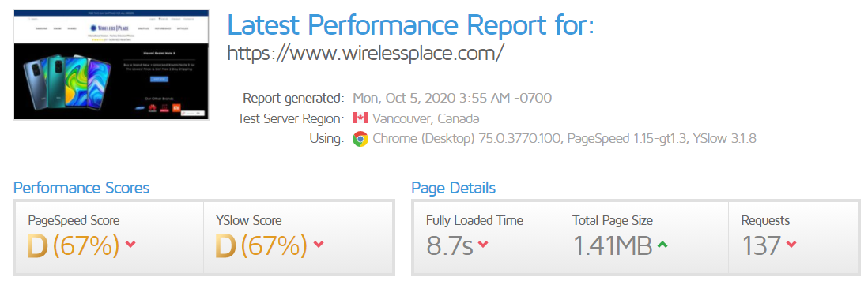
Website Loading Speed

Mobile Speed | 13 | Bad

Desktop | 59 | Average

Fully Loaded Time | 8.76s

Validation Errors
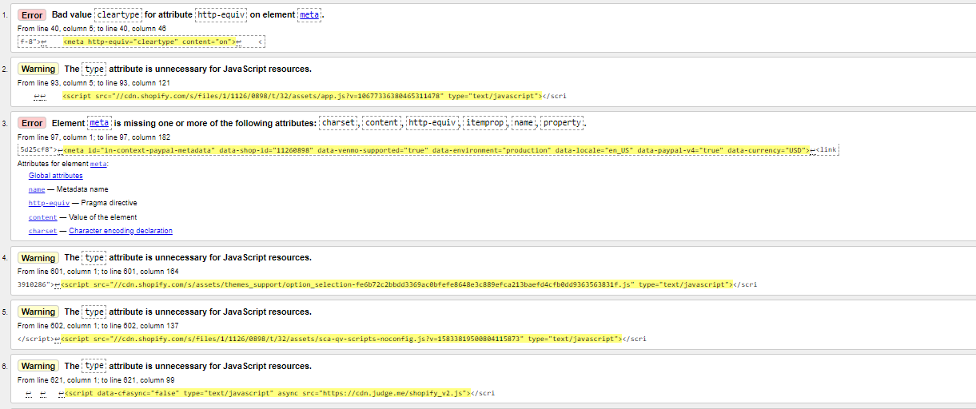
Validation Errors

https://validator.w3.org/nu/?doc=https%3A%2F%2Fwww.wirelessplace.com%2F

Backlink Analysis
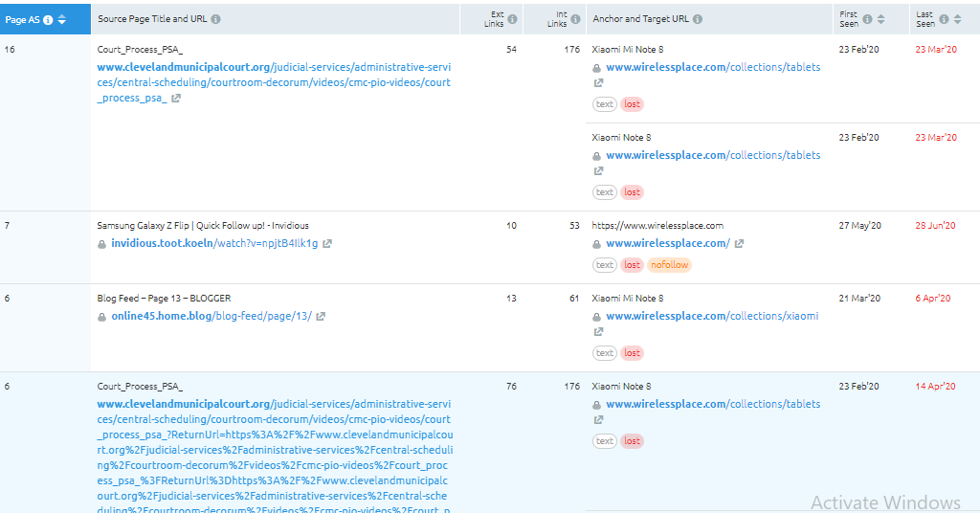
Backlinks Analysis

Total Backlinks | Lost | Dofollow | No Follow | Referring Domains
339 | 195 | 151 | 188 | 74

Lost Backlinks

